1
 | FURUKAWA AUTOMOTIVE SYSTEMS LIMA PHILIPPINES, INC. |  |  |  |  | Employee Management System Work Instructions |  |  |  |  |  | DOCUMENT TYPE: | WORK INSTRUCTION | PAGE NO.: | 1 / 3
 |  |  |  |  |  |  |  |  |  |  |  | DOCUMENT NO.: | REVISION NO.: | EFFECTIVITY DATE:
 |  |  |  |  |  |  |  |  |  |  |  | 1 | 0
CAR MODEL |  | MATERIALS |  |  |  |  |  | DEVICES / EQUIPMENT USED |  |  | REFERENCE
N/A |  | Computer Application |  |  |  |  |  | Computer |  |  | N/A

FORMS |  |  |  |  | PURPOSE |  |  |  | SCOPE
 |  |  |  |  | To provide work instructions on how to view the disered data and export using the Employee Management System. |  |  |  | To detail the process on howto view the disered data and export using the Employee Management System.

1
Get started by going to your dektop and look for your Employee Management System Logo.
URL : http://172.25.116.188:3000/emp_mgt/

4.1
3
Click the "Dashboard" menu item located on the navbar.
Open the file to see the exported dashboard count from the downloads


 |  |  |  |  |  |  |  |  |  | Amazon.com: Ethernet Cable Labels

Dashboard
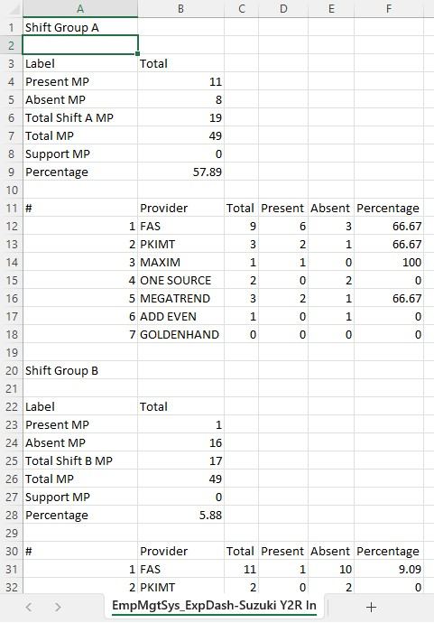

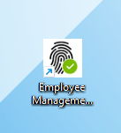

4

You can search for specific dashboard counts by typing or filtering in the input fields, click "Export" button to generate the file.

2
Access Employee Management System - Viewer Page

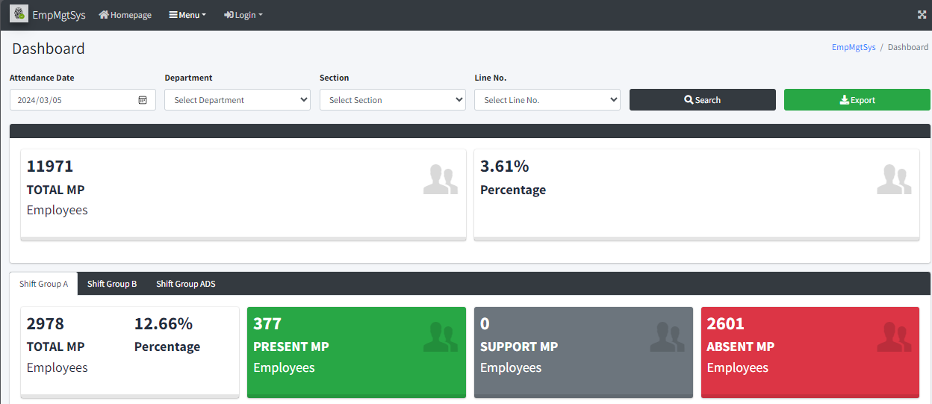

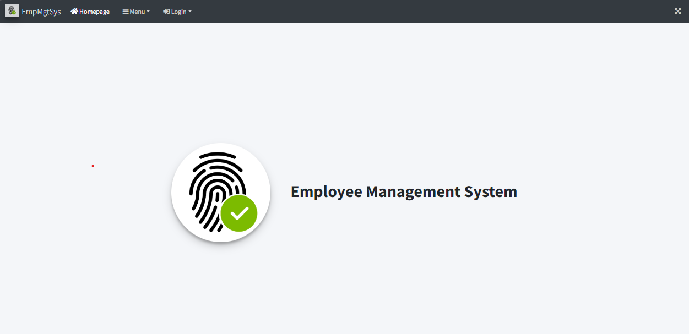
5
Click the "Attendance Summary Report" menu item located on the navbar.



 |  |  |  |  |  |  |  |  |  |  |  |  |  |  |  | s

Attendance Summary Report

0
DR/CN No. |  |  | Revision No. | Effectivity Date |  |  | Details of change
 |  |  | 0 |  |  |  | First Issue

2
 | FURUKAWA AUTOMOTIVE SYSTEMS LIMA PHILIPPINES, INC. |  |  |  |  | Employee Management System Work Instructions |  |  |  |  |  | DOCUMENT TYPE: | WORK INSTRUCTION | PAGE NO.: | 2 / 3
 |  |  |  |  |  |  |  |  |  |  |  | DOCUMENT NO.: | REVISION NO.: | EFFECTIVITY DATE:
 |  |  |  |  |  |  |  |  |  |  |  | 1 | 0
CAR MODEL |  | MATERIALS |  |  |  |  |  | DEVICES / EQUIPMENT USED |  |  | REFERENCE
N/A |  | Computer Application |  |  |  |  |  | Computer |  |  | N/A

FORMS |  |  |  |  | PURPOSE |  |  |  | SCOPE
 |  |  |  |  | To provide work instructions on how to view the disered data and export using the Employee Management System. |  |  |  | To detail the process on howto view the disered data and export using the Employee Management System.

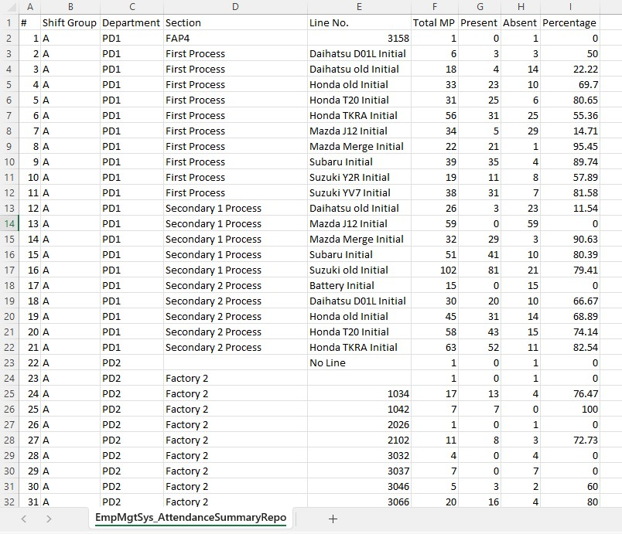
You may search for the attendance summary report by typing or filtering on input fields, click "Attendance Summary Report" button to generate the file.
5.1
Open the file to see the exported attendance summary report from the downloads
5.2
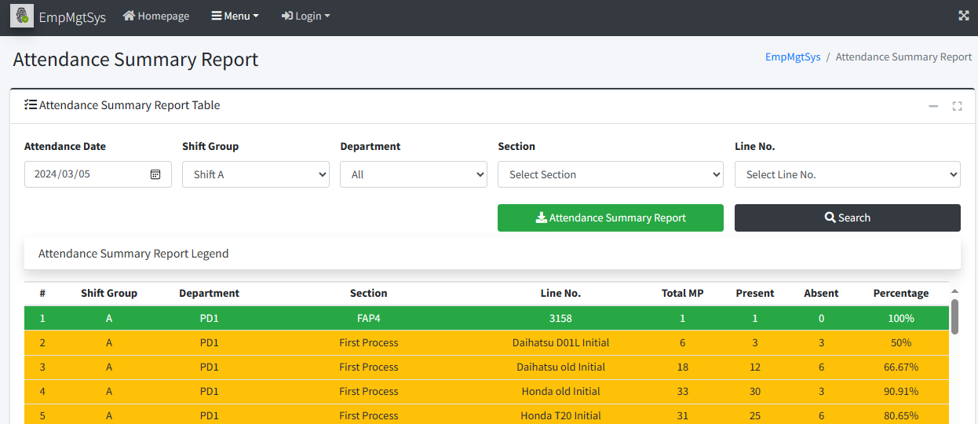
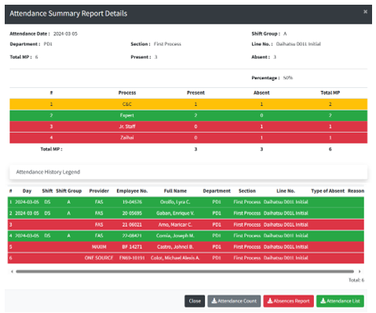
You may search for the attendance summary report by typing or filtering on input fields, click the desired row of a specific attendance summary report by line no the specific attendance summary report by line no. will show.
5.3
Click "Attendance List" button to generate file.
5.4

 |  |  |  |  |  |  |  |  |  | Amazon.com: Ethernet Cable Labels

 |  |  |  |  |  |  |  |  |  |  |  |  |  |  |  | s

0
DR/CN No. |  |  | Revision No. | Effectivity Date |  |  | Details of change
 |  |  | 0 |  |  |  | First Issue

3
 | FURUKAWA AUTOMOTIVE SYSTEMS LIMA PHILIPPINES, INC. |  |  |  |  | Employee Management System Work Instructions |  |  |  |  |  | DOCUMENT TYPE: | WORK INSTRUCTION | PAGE NO.: | 3 / 3
 |  |  |  |  |  |  |  |  |  |  |  | DOCUMENT NO.: | REVISION NO.: | EFFECTIVITY DATE:
 |  |  |  |  |  |  |  |  |  |  |  | 1 | 0
CAR MODEL |  | MATERIALS |  |  |  |  |  | DEVICES / EQUIPMENT USED |  |  | REFERENCE
N/A |  | Computer Application |  |  |  |  |  | Computer |  |  | N/A

FORMS |  |  |  |  | PURPOSE |  |  |  | SCOPE
 |  |  |  |  | To provide work instructions on how to view the disered data and export using the Employee Management System. |  |  |  | To detail the process on howto view the disered data and export using the Employee Management System.

Open the file to see the exported attendance list from the downloads.
5.5
You may search for the attendance summary report by typing or filtering on input fields, click “Attendance Count” button to generate file.
5.6

5.7
Open the file to see the exported attendance count by process from the downloads.

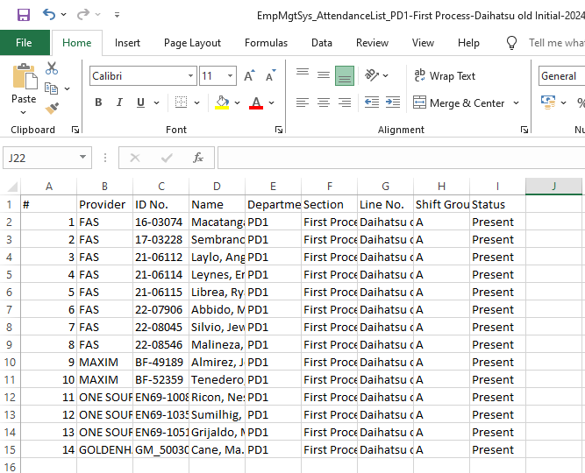
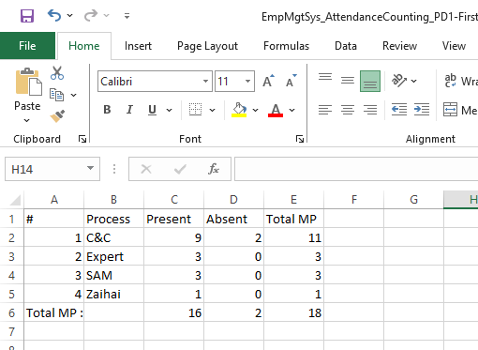
 |  |  |  |  |  |  |  |  |  | Amazon.com: Ethernet Cable Labels

 |  |  |  |  |  |  |  |  |  |  |  |  |  |  |  | s

0
DR/CN No. |  |  | Revision No. | Effectivity Date |  |  | Details of change
 |  |  | 0 |  |  |  | First Issue

